Instruction
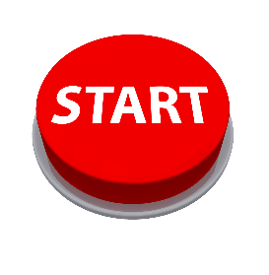
INSTRUCTION

"Welcome to the Sample Test! Click the Start button to begin."

Question 1
HOME

Question 1 :

NEXT
PREVIOUS

Question 1
Question 2
Question 3
Question 4
Question 5
Question 10
Question 6
Question 7
Question 8
Question 9

Question 2
HOME

Question 2 :

NEXT
PREVIOUS

Question 1
Question 2
Question 3
Question 4
Question 5
Question 10
Question 6
Question 7
Question 8
Question 9

Question 3
HOME

Question 3 :

NEXT
PREVIOUS

Question 1
Question 2
Question 3
Question 4
Question 5
Question 6
Question 7
Question 8
Question 9
Question 10

Question 4
HOME

Question 4 :

NEXT
PREVIOUS

Question 1
Question 2
Question 3
Question 4
Question 5
Question 6
Question 7
Question 8
Question 9
Question 10

Question 5
HOME

Question 5 :

NEXT
PREVIOUS

Question 1
Question 2
Question 3
Question 4
Question 5
Question 6
Question 7
Question 8
Question 9
Question 10

Question 6
HOME

Question 6 :

NEXT
PREVIOUS

Question 1
Question 2
Question 3
Question 4
Question 5
Question 6
Question 7
Question 8
Question 9
Question 10

Question 7
HOME

Question 7 :

NEXT
PREVIOUS

Question 1
Question 2
Question 3
Question 4
Question 5
Question 6
Question 7
Question 8
Question 9
Question 10

Question 8
HOME

Question 8 :

NEXT
PREVIOUS

Question 1
Question 2
Question 3
Question 4
Question 5
Question 6
Question 7
Question 8
Question 9
Question 10

Question 9
HOME

Question 9 :

NEXT
PREVIOUS

Question 1
Question 2
Question 3
Question 4
Question 5
Question 6
Question 7
Question 8
Question 9
Question 10

Question 10
HOME

Question 10 :

END
PREVIOUS

Question 1
Question 2
Question 3
Question 4
Question 5
Question 6
Question 7
Question 8
Question 9
Question 10

